Login API TestCases
Test Case ID | API Name | Test Scenario | Request Type | Endpoint | Test Data | Pre-condition | Test Steps | Excepted Result | Assertions | Actual Result | Status | Image
TC_LOGIN_001 | Login API | Verify user can login with valid username and API key and receive API token | POST | /index.php?route=api/login | username = testuser key = valid_api_key | API user is created API key is generated IP address is added (127.0.0.1, ::1) | 1. Open Postman 2. Select POST method 3. Enter endpoint URL 4. Select x-www-form-urlencoded in Body 5. Enter username and key 6. Click Send | 1.Status code should be 200 2.Response should contain api_token 3.Success message should be returned | pm.test("Status code is 200", () => { pm.response.to.have.status(200); }); pm.test("API token is generated", () => { const json = pm.response.json(); pm.expect(json.api_token).to.exist; }); pm.test("Success message present", () => { const json = pm.response.json(); pm.expect(json.success).to.include("Success"); }); // Store token for next APIs pm.environment.set("token", pm.response.json().api_token); | 1. Status code is 200 2. api_token is generated 3. Success message is generated | 200 | 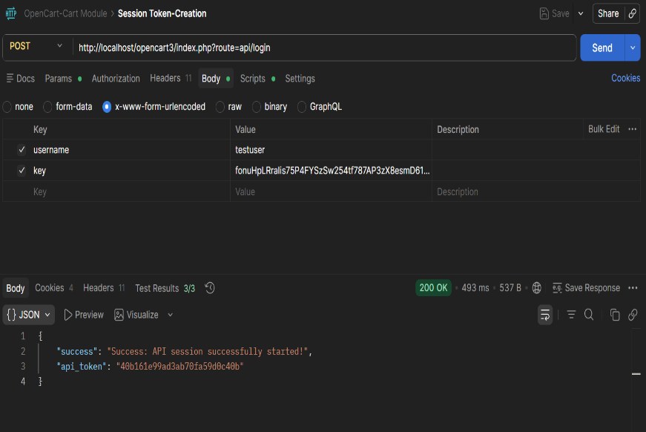

TC_LOGIN_002 | Login API | Verify API returns error when an invalid API key is provided | POST | /index.php?route=api/login | username = testuser key = invalid_key | API user is created IP address is added | 1. Open Postman 2. Select POST method 3. Enter endpoint URL 4. Select x-www-form-urlencoded in Body 5. Enter valid username and invalid API key 6. Click Send | 1. Response should contain error message for invalid API key 2. api_token should NOT be generated | pm.test("Error for invalid API key", () => { const json = pm.response.json(); pm.expect(json.error).to.exist; }); pm.test("Token should not be generated", () => { const json = pm.response.json(); pm.expect(json.api_token).to.be.undefined; }); | 1. Empty list is shown 2. API token is not generated | 200 | 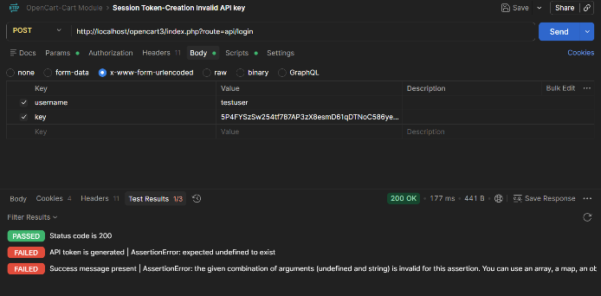

TC_LOGIN_003 | Login API | Verify API returns error when username is missing | POST | /index.php?route=api/login | username = (empty) key = valid_api_key | API user is created API key is valid IP address is added | 1. Open Postman 2. Select POST method 3. Enter endpoint URL 4. Select x-www-form-urlencoded in Body 5. Leave username empty 6. Enter valid API key 7. Click Send | 1. Response should contain error message for missing username 2. api_token should NOT be generated | pm.test("Error when username missing", () => { const json = pm.response.json(); pm.expect(json.error).to.exist; }); pm.test("No token generated", () => { const json = pm.response.json(); pm.expect(json.api_token).to.be.undefined; }); | 1. No error message is shown 2. API token is not generated | 200 | 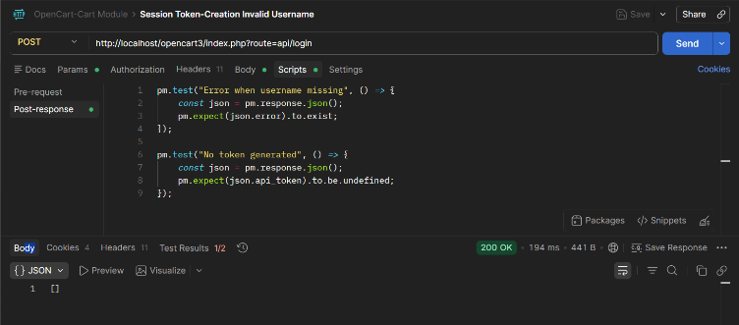

TC_LOGIN_004 | Login API | Verify API returns error when API key is missing | POST | /index.php?route=api/login | username = testuser key = (empty) | API user is created IP address is added | 1. Open Postman 2. Select POST method 3. Enter endpoint URL 4. Select x-www-form-urlencoded 5. Enter username only 6. Leave key empty 7. Click Send | 1. Response should contain error for missing API key 2. api_token should NOT be generated | pm.test("Error when API key missing", () => { const json = pm.response.json(); pm.expect(json.error).to.exist; }); pm.test("Token should not exist", () => { const json = pm.response.json(); pm.expect(json.api_token).to.be.undefined; }); | 1. No error message is shown 2. API token is not generated | 200 | 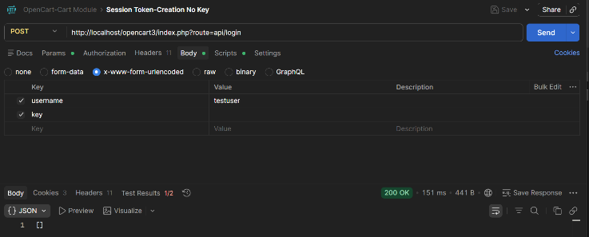

 |  |  |  |  |  |  | 1. Open Postman 2. Select POST method 3. Enter endpoint URL 4. Select x-www-form-urlencoded in Body 5. Leave username empty 6. Leave API key empty 7. Click Send
TC_LOGIN_005 | Login API | Verify API returns error when both username and API key are missing | POST | /index.php?route=api/login | username = (empty) key = (empty) |  |  | 1. Response should contain error message 2. api_token should NOT be generated | pm.test("Error when both fields missing", () => { const json = pm.response.json(); pm.expect(json.error).to.exist; }); pm.test("No token generated", () => { const json = pm.response.json(); pm.expect(json.api_token).to.be.undefined; }); | 1. No error message is shown 2. API token is not generated | 200 | 